Model Fit
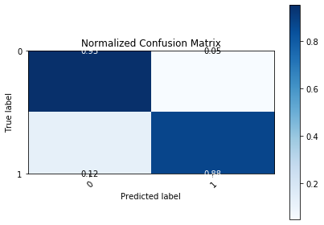
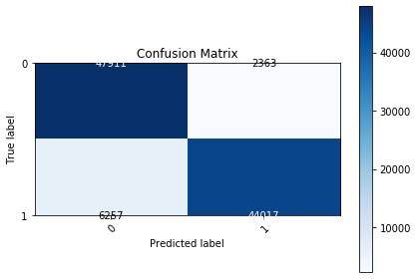
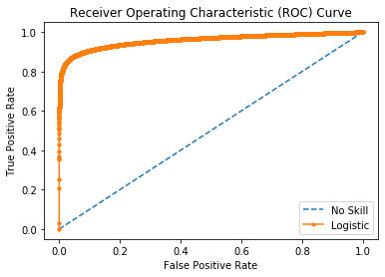
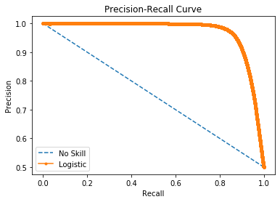

Logistic Area Under Curve | 0.95849772328 | Logistic Area Under Curve | 0.96974745955
No Skill Area Under Curve | 0.5 | Logistic F1 | 0.91081590001
Optimal Threshold | 0.56639503185 | No Skill Area Under Curve | 0.75
 |  | No Skill F1 | 0
 |  | Best Threshold (F1) | 0.54

